DETAIL
Product Number | Image | Product Description | Range | Stock units | RRP | TOTAL RRP
OY024 | 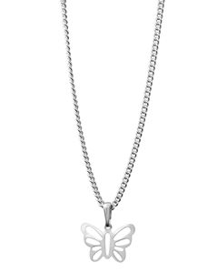 | Butterfly Pendant WITH NECKLACE | FANCY GIFTS | 7,572 | £10.00 | £75,720
OD012 | 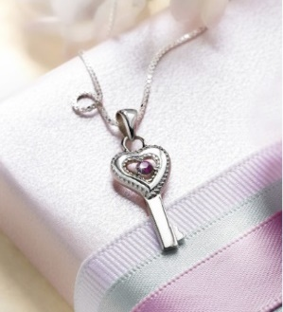 | Sterling Silver Key Pendant WITH NECKLACE | FANCY GIFTS | 6,971 | £20.00 | £139,420
OA166 | 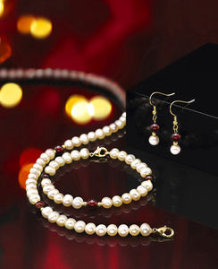 | PEARLS 3PCE SET | FANCY GIFTS | 5,088 | £25.00 | £127,200
OY023 |  | White Cubic Zirconia Claw Set Pendant WITH NECKLACE | FANCY GIFTS | 3,561 | £20.00 | £71,220
OY025 | 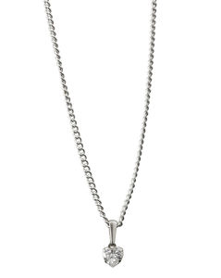 | White Heart Cubic Zirconia Claw Pendant WITH NECKLACE | FANCY GIFTS | 1,857 | £20.00 | £37,140
OY153 | 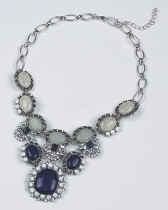 | STATEMENT NECKLACE | MISCELLANEOUS | 1,496 | £10.00 | £14,960
OY174 | 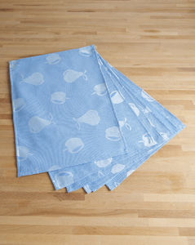 | Pack of 6 Placemats | HOMEWARES | 1,440 | £7.00 | £10,080
OY176 | 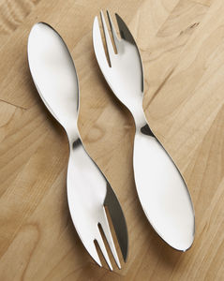 | 2 Piece Spoon & Fork Party Set | HOMEWARES | 1,118 | £5.00 | £5,590
OY154 | 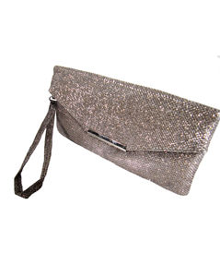 | Gold Colour Clutch Bag | MISCELLANEOUS | 598 | £5.00 | £2,990
OY165 | 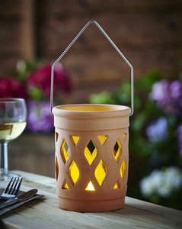 | Lantern Pot 12.5cm X 15cm | GARDEN ACCESSORIES | 546 | £5.00 | £2,730
SO295 | 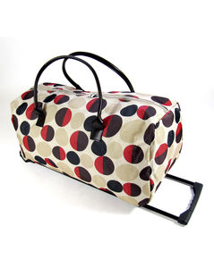 | POLKA DOT TROLLEY | DEPARTMENT STORE BRANDS | 484 | £10.50 | £5,082
SO292 |  | RED LEATHER BAG | TRADITIONAL BRANDS | 469 | £6.00 | £2,814
OY772 | 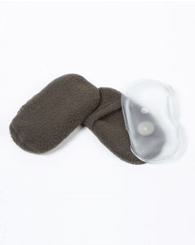 | 2 HEAT PACKS | GARDEN ACCESSORIES | 440 | £2.00 | £880
OY055 | 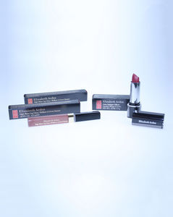 | ELIZABETH ARDEN PACK | HEALTH & BEAUTY | 243 | £15.50 | £3,767
HL658 | 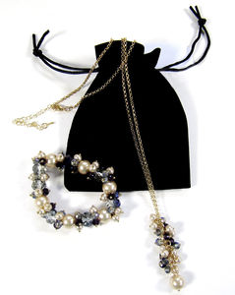 | NECKLACE & BRACELET | DEPARTMENT STORE BRANDS | 185 | £4.75 | £879
JV515 | 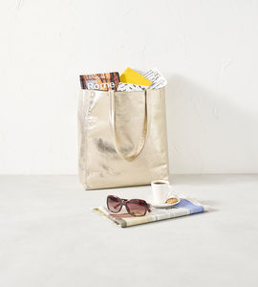 | METALLIC TOTE BAG | FANCY GIFTS | 100 | £5.75 | £575
AJ249 | 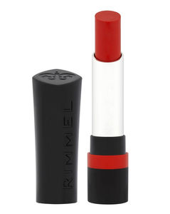 | Rimmel Lipstick- Red Revolution | FANCY GIFTS | 92 | £8.75 | £805
JV046 |  | NAVY SPOT BAG PURSE | FANCY GIFTS | 64 | £6.50 | £416
OY090 | 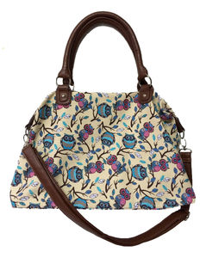 | OWL PRINT BAG | FAMILY GIFTS | 36 | £6.50 | £234
JV049 |  | GREY MOCK CROC BAG | DEPARTMENT STORE BRANDS | 34 | £6.25 | £213
AJ252 | 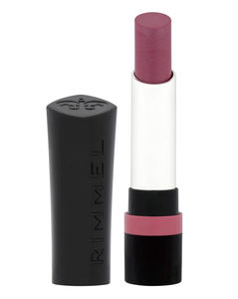 | Rimmel Lipstick- It's a Keeper | FANCY GIFTS | 20 | £8.75 | £175
UQ693 | 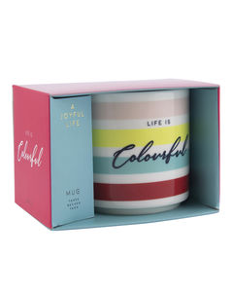 | Joyful Life Colourful Mug | FANCY GIFTS | 19 | £5.00 | £95
GA092 | 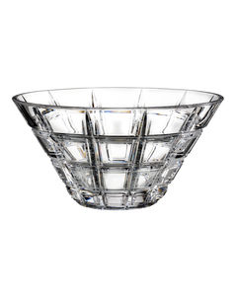 | Waterford Marquis Crosby Crystal Bowl | HOMEWARES | 10 | £16.75 | £168
JV065 |  | CK OBSION NIGHT MEN | HEALTH & BEAUTY | 9 | £32.00 | £288
JV061 |  | JOOP MEN EDT & DEO | HEALTH & BEAUTY | 8 | £47.00 | £376
PB930 |  | RED MOCK CROC BAG | FANCY GIFTS | 7 | £7.00 | £49
JV064 |  | BECKHAM MENS TWIN | HEALTH & BEAUTY | 5 | £37.00 | £185
AJ556 |  | Filorga Meso Mask | FANCY GIFTS | 4 | £6.00 | £24
JV036 |  | SCOTIE DOG PRINT BAG | FANCY GIFTS | 4 | £6.50 | £26
AJ554 |  | Filorga Time Filler | FANCY GIFTS | 2 | £6.00 | £12
OB610 |  | FIFTH AVE EDP BLOT | HEALTH & BEAUTY | 2 | £20.50 | £41
OD923 | 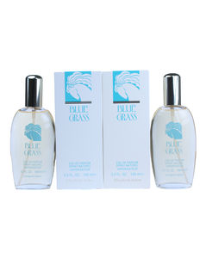 | Blue Grass Eau De Parfum | HEALTH & BEAUTY | 2 | £29.00 | £58
AJ251 | 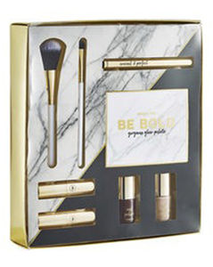 | Simply Be Cosmetic Set | FANCY GIFTS | 1 | £13.00 | £13
AJ557 |  | Gruum box | FANCY GIFTS | 1 | £21.50 | £22
AJ917 | 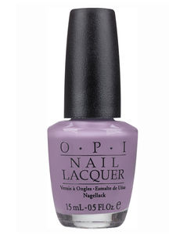 | OPI Do You Lilac It? Nail Lacquer | FANCY GIFTS | 1 | £10.75 | £11
JV059 |  | Burberry Brit Beat | HEALTH & BEAUTY | 1 | £43.00 | £43
JV231 |  | Remington Compact Hairdryer | ELECTRICAL | 1 | £20.25 | £20
OY065 | 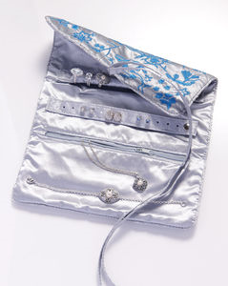 | JEWELLERY ROLL | FAMILY GIFTS | 1 | £5.25 | £5
OY085 | 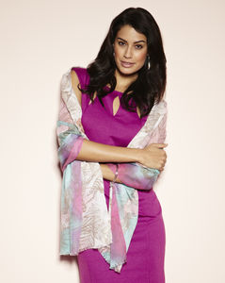 | PRINTED SCARF | FANCY GIFTS | 1 | £5.00 | £5
OY254 |  | MYSTERY GIFT | MYSTERY GIFT | 1 | £5.00 | £5
 |  |  |  | 32,494 |  | £504,334

